ME GRA forecast
2023-General-Rate-Application-June-20-2022.pdf (irac.pe.ca)
Excerpt from MECL GRA filing
 | GRA is for the periods March 1, 2023 to Feb 29, 2024; March 1, 2024 to Feb 28, 2025; and March 1, 2025 to Feb 28, 2026.
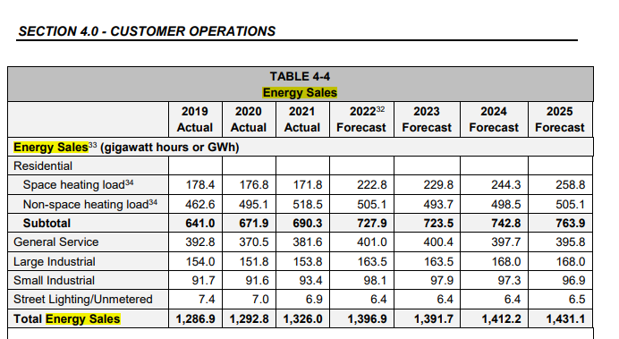
 | 3:50 p.m.
 |  |  | From Maritime Electric GRA Filing June 20, 2022 |  |  |  |  |  |  | Estimate by PEIEC
 |  |  | Jan - Dec 2019 | Jan - Dec 2020 | Jan - Dec 2021 | Jan - Dec 2022 | Jan - Dec 2023 | Jan - Dec 2024 | Jan - Dec 2025 | Jan - Dec 2026
 |  | Total energy sales (GWh) | 1,286.90 | 1,292.80 | 1,326.00 | 1,396.90 | 1,391.70 | 1,412.20 | 1,431.10 | 1,450.25
 |  | Calculated load growth factor |  | 0.46% | 2.57% | 5.35% | -0.37% | 1.47% | 1.34% | 1.34%

 |  | Adjusted to reflect timeperiod of EE&C Plan |  |  |  |  | Mar 1, 2023 to Feb 29, 2024 | Mar 1, 2024 to Feb 28, 2025 | Mar 1, 2025 to Feb 28, 2026
 |  | 10/12 months of load forecast |  |  |  | 83% | 1,159.75 | 1,176.83 | 1,192.58
 |  | 2/12 months of following year load forecast |  |  |  | 17% | 235.37 | 238.52 | 241.71

 |  | PEIEC prorated to refelct EE&C Plan Year |  |  |  |  | 1,395.12 | 1,415.35 | 1,434.29

